Ratoon = 2
SimulationName | Zone | Clock.Today | SugarcaneYield | Sugarcane.sucrose_wt | Sugarcane.height
Sugarcane | Field | 2013-01-21 | 4984.46 | 2991.82 | 5977.9335729 | yield = stem | 87587.11 | g/m^2
Sugarcane | Field | 2014-01-16 | 1819.12 | 937.99 | 2632.9259182 | sucrose weight | 45610.03 | g/m^2
Sugarcane | Field | 2015-01-11 | 2204.38 | 1170.33 | 3100.5097252 | height | 125745.59726 | mm
Sugarcane | Field | 2016-01-06 | 2385.29 | 1269.22 | 3327.5978259
Sugarcane | Field | 2016-12-31 | 2252.04 | 1190.33 | 3174.6297304
Sugarcane | Field | 2019-01-22 | 4233.35 | 2567.18 | 4998.5111632
Sugarcane | Field | 2020-01-17 | 3931.61 | 2096.33 | 5488.5666147
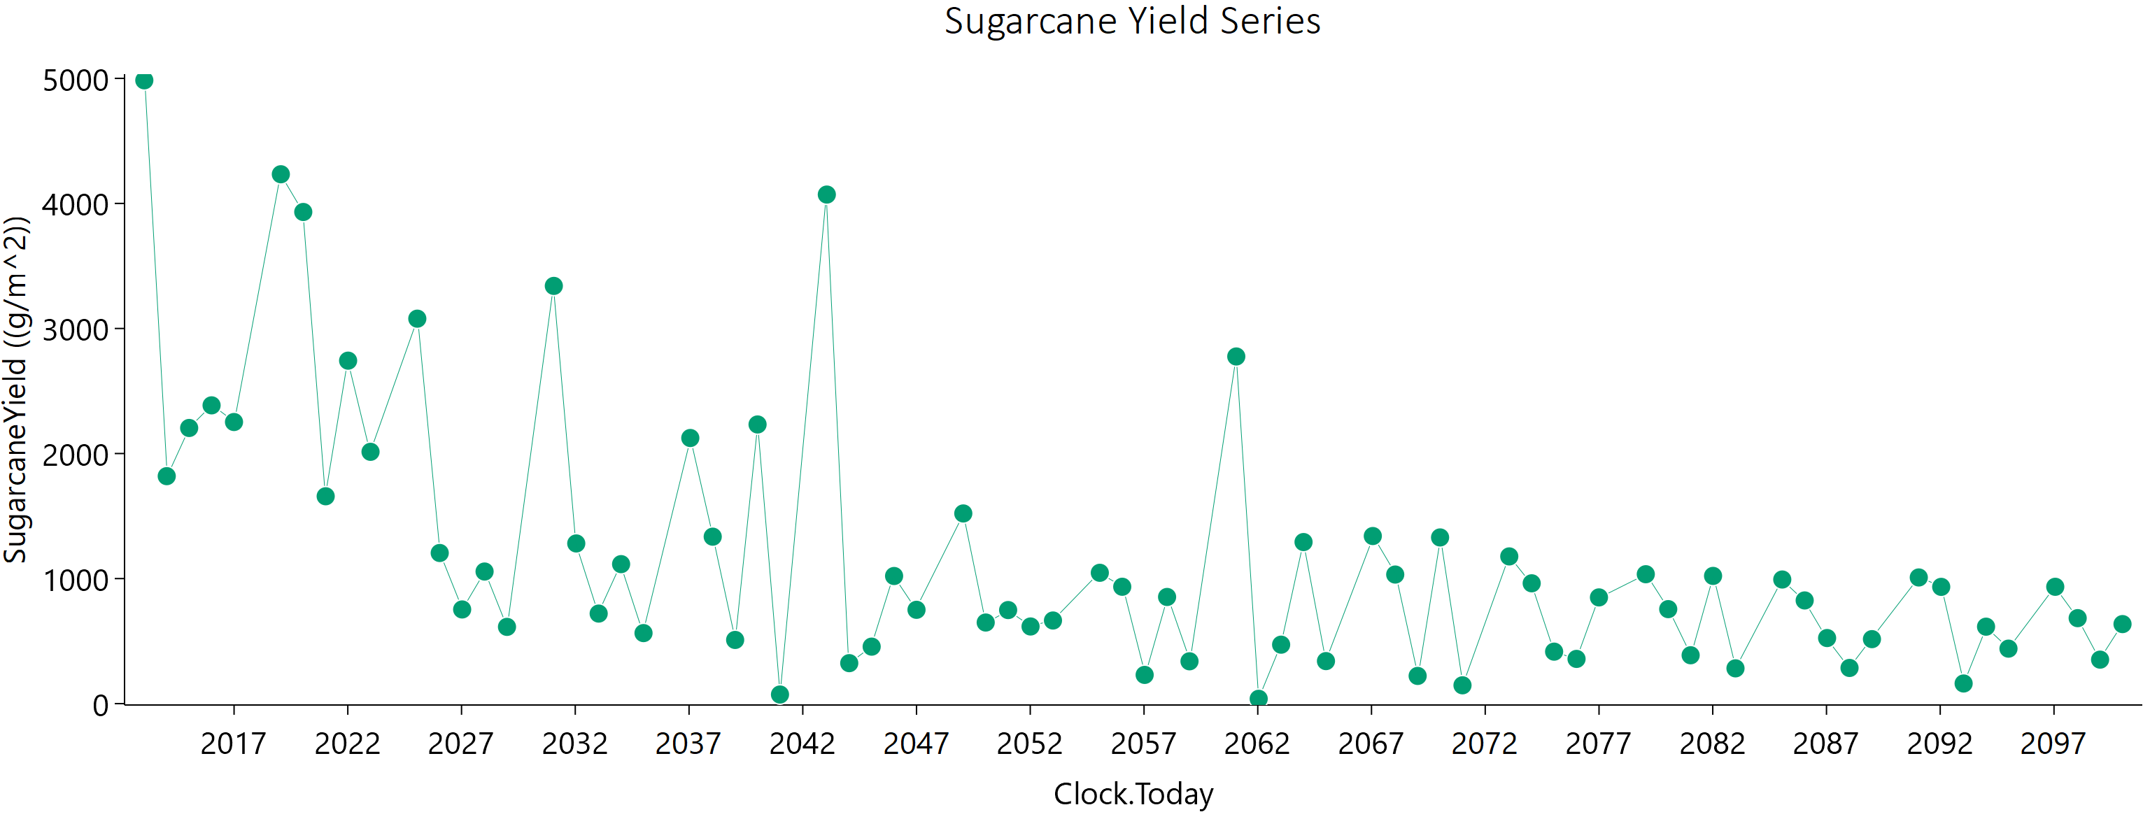
Sugarcane | Field | 2021-01-11 | 1658.2 | 846.23 | 2433.463041
Sugarcane | Field | 2022-01-06 | 2742.63 | 1532.11 | 3611.9482768
Sugarcane | Field | 2023-01-01 | 2013.69 | 1081.96 | 2786.5784134
Sugarcane | Field | 2025-01-21 | 3078.46 | 2048.34 | 3090.3783969
Sugarcane | Field | 2026-01-16 | 1204.62 | 647.16 | 1660.4755337
Sugarcane | Field | 2027-01-11 | 753.09 | 365.53 | 1154.2754406
Sugarcane | Field | 2028-01-06 | 1056.35 | 518.87 | 1604.3707794
Sugarcane | Field | 2028-12-31 | 613.76 | 289.94 | 964.85449235
Sugarcane | Field | 2031-01-22 | 3340.47 | 1921.59 | 4256.6386805
Sugarcane | Field | 2032-01-17 | 1280.92 | 685.1 | 1784.3417153
Sugarcane | Field | 2033-01-11 | 720.15 | 336.6 | 1141.9958101
Sugarcane | Field | 2034-01-06 | 1115.54 | 568.42 | 1636.1749583
Sugarcane | Field | 2035-01-01 | 563.99 | 256.56 | 917.32371799
Sugarcane | Field | 2037-01-21 | 2124.15 | 1160.35 | 2891.4069155
Sugarcane | Field | 2038-01-16 | 1335.12 | 660.84 | 2021.6867096
Sugarcane | Field | 2039-01-11 | 509.24 | 213.69 | 881.31094494
Sugarcane | Field | 2040-01-06 | 2232.4 | 1180.01 | 3155.7420763
Sugarcane | Field | 2040-12-31 | 72.89 | 30.98 | 124.90691109
Sugarcane | Field | 2043-01-22 | 4070.95 | 2355.97 | 5144.6811202
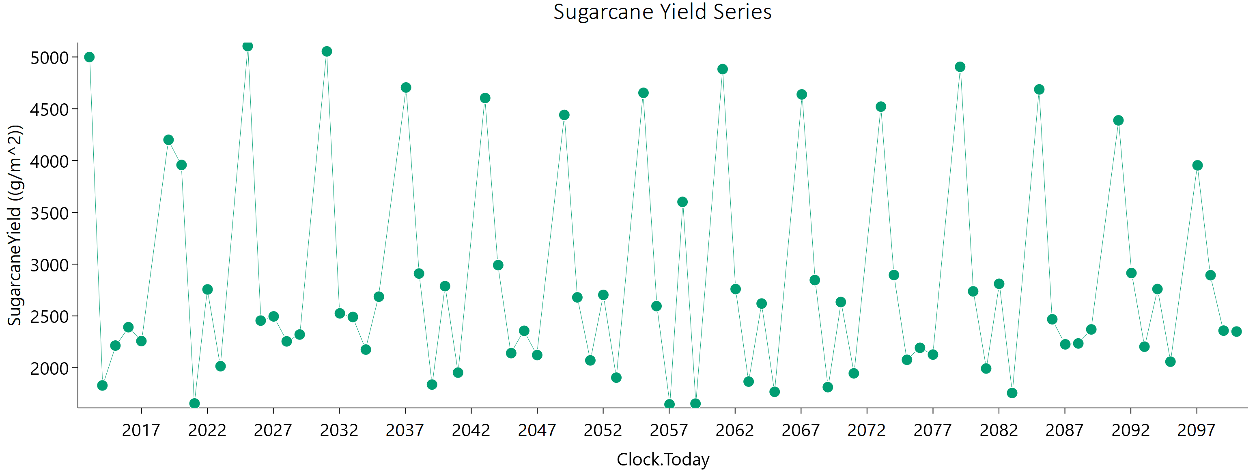
Sugarcane | Field | 2044-01-17 | 323.69 | 96.27 | 680.43454843
Sugarcane | Field | 2045-01-11 | 455.76 | 166.58 | 867.22825252
Sugarcane | Field | 2046-01-06 | 1020.63 | 520.42 | 1499.4403391
Sugarcane | Field | 2047-01-01 | 750.25 | 395.21 | 1064.1609465
Sugarcane | Field | 2049-01-21 | 1520.81 | 925.58 | 1785.6954235
Sugarcane | Field | 2050-01-16 | 648.6 | 274.38 | 1121.7177585
Sugarcane | Field | 2051-01-11 | 748.26 | 337.4 | 1231.6998331
Sugarcane | Field | 2052-01-06 | 616.91 | 313.74 | 908.3378034
Sugarcane | Field | 2052-12-31 | 664.73 | 243.4 | 1263.5435728
Sugarcane | Field | 2055-01-22 | 1046.23 | 594.34 | 1355.6636732
Sugarcane | Field | 2056-01-17 | 934.61 | 430.54 | 1511.4597311
Sugarcane | Field | 2057-01-11 | 229.72 | 95.32 | 402.38920503
Sugarcane | Field | 2058-01-06 | 852.95 | 387.37 | 1396.189497
Sugarcane | Field | 2059-01-01 | 338.53 | 157.34 | 541.66397998
Sugarcane | Field | 2061-01-21 | 2776.11 | 1545.68 | 3691.2922379
Sugarcane | Field | 2062-01-16 | 38.51 | 12.76 | 76.966077748
Sugarcane | Field | 2063-01-11 | 471.52 | 206.44 | 794.31183121
Sugarcane | Field | 2064-01-06 | 1292.03 | 595.69 | 2088.2962055
Sugarcane | Field | 2064-12-31 | 340.07 | 148.06 | 575.54781108
Sugarcane | Field | 2067-01-22 | 1340.22 | 664.32 | 2027.7052618
Sugarcane | Field | 2068-01-17 | 1032.28 | 466.73 | 1695.8839609
Sugarcane | Field | 2069-01-11 | 221.54 | 101.91 | 356.08956236
Sugarcane | Field | 2070-01-06 | 1328.97 | 623.95 | 2114.329159
Sugarcane | Field | 2071-01-01 | 146.52 | 64.4 | 244.67313817
Sugarcane | Field | 2073-01-21 | 1177.26 | 586.63 | 1771.8839948
Sugarcane | Field | 2074-01-16 | 962.22 | 423.16 | 1616.5780699
Sugarcane | Field | 2075-01-11 | 415.69 | 132.83 | 848.29415639
Sugarcane | Field | 2076-01-06 | 357.63 | 144.85 | 638.06380915
Sugarcane | Field | 2076-12-31 | 849.5 | 379.59 | 1409.0363876
Sugarcane | Field | 2079-01-22 | 1034.84 | 656.7 | 1134.421871
Sugarcane | Field | 2080-01-17 | 755.68 | 339.61 | 1247.5344924
Sugarcane | Field | 2081-01-11 | 386.86 | 144.64 | 726.24492216
Sugarcane | Field | 2082-01-06 | 1021.35 | 439.41 | 1745.2124225
Sugarcane | Field | 2083-01-01 | 282.09 | 108.49 | 520.56886779
Sugarcane | Field | 2085-01-21 | 992.55 | 488.63 | 1511.7757203
Sugarcane | Field | 2086-01-16 | 825.14 | 358.84 | 1398.3735694
Sugarcane | Field | 2087-01-11 | 524.44 | 176.79 | 1042.7145348
Sugarcane | Field | 2088-01-06 | 285.28 | 96.83 | 565.06867496
Sugarcane | Field | 2088-12-31 | 515.72 | 192.8 | 968.37534298
Sugarcane | Field | 2091-01-22 | 1008.96 | 504.34 | 1513.8625097
Sugarcane | Field | 2092-01-17 | 933.74 | 403.7 | 1589.5790502
Sugarcane | Field | 2093-01-11 | 161.06 | 76.76 | 252.71297108
Sugarcane | Field | 2094-01-06 | 615.34 | 259.17 | 1068.0132921
Sugarcane | Field | 2095-01-01 | 439.75 | 208.8 | 692.42114938
Sugarcane | Field | 2097-01-21 | 934.29 | 520.05 | 1242.7254645
Sugarcane | Field | 2098-01-16 | 683.57 | 260.92 | 1267.563147
Sugarcane | Field | 2099-01-11 | 351.81 | 163.19 | 565.1158159
Sugarcane | Field | 2100-01-06 | 636.02 | 252.02 | 1151.5087305

Ratoon = 3
SimulationName | Zone | Clock.Today | SugarcaneYield | Sugarcane.sucrose_wt | Sugarcane.height
Sugarcane | Field | 2014-01-16 | 5131.68 | 3137.84 | 5981.1219898 | yield = stem | 87566.22 | g/m^2
Sugarcane | Field | 2015-01-11 | 2365.02 | 1257.4 | 3321.0197139 | sucrose weight | 52003.26 | g/m^2
Sugarcane | Field | 2016-01-06 | 2217.76 | 1179.84 | 3091.5857912 | height | 105668.25221 | mm
Sugarcane | Field | 2016-12-31 | 2187.89 | 1109.94 | 3220.7489821
Sugarcane | Field | 2017-12-26 | 2267.13 | 1179.01 | 3247.7037944
Sugarcane | Field | 2021-01-16 | 6706.74 | 4423.89 | 6000
Sugarcane | Field | 2022-01-11 | 3281.13 | 1788.34 | 4467.8486021
Sugarcane | Field | 2023-01-06 | 1327.2 | 655.88 | 1999.8717982
Sugarcane | Field | 2024-01-02 | 505.81 | 219.68 | 852.87035654
Sugarcane | Field | 2024-12-27 | 2077.33 | 1132.79 | 2831.5383853
Sugarcane | Field | 2028-01-17 | 3258.18 | 2112.67 | 3436.5358777
Sugarcane | Field | 2029-01-11 | 980.12 | 508.93 | 1400.8952433
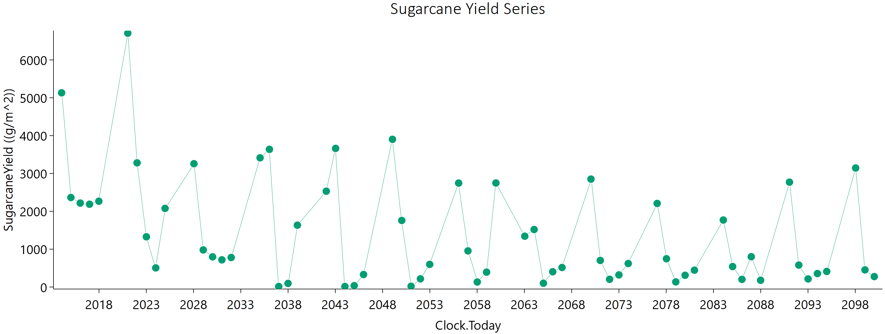
Sugarcane | Field | 2030-01-06 | 797.31 | 404.83 | 1167.8738491
Sugarcane | Field | 2031-01-01 | 718.41 | 331.28 | 1155.5274232
Sugarcane | Field | 2031-12-27 | 780.46 | 368.23 | 1232.0120535
Sugarcane | Field | 2035-01-16 | 3414.28 | 2605.57 | 2422.7933905
Sugarcane | Field | 2036-01-11 | 3637.8 | 1977.14 | 4978.8362931
Sugarcane | Field | 2037-01-05 | 13.84 | 1.9 | 35.805758009
Sugarcane | Field | 2037-12-31 | 95.08 | 36.34 | 175.310536
Sugarcane | Field | 2038-12-26 | 1634.13 | 854.29 | 2337.3114124
Sugarcane | Field | 2042-01-16 | 2531.76 | 1710.28 | 2462.1852037
Sugarcane | Field | 2043-01-11 | 3662.42 | 2003.05 | 4975.0454528
Sugarcane | Field | 2044-01-06 | 14.12 | 1.75 | 37.112390318
Sugarcane | Field | 2044-12-31 | 35.84 | 7.58 | 84.789386346
Sugarcane | Field | 2045-12-26 | 330.37 | 113.09 | 651.57342547
Sugarcane | Field | 2049-01-16 | 3902.23 | 2953.06 | 2843.6450113
Sugarcane | Field | 2050-01-11 | 1758.85 | 891.04 | 2602.3229364
Sugarcane | Field | 2051-01-06 | 20.04 | 3.46 | 49.730686408
Sugarcane | Field | 2052-01-01 | 216.69 | 69.18 | 442.37080254
Sugarcane | Field | 2052-12-26 | 598.44 | 205.49 | 1178.4906246
Sugarcane | Field | 2056-01-17 | 2746.72 | 2250.48 | 1486.1226452
Sugarcane | Field | 2057-01-11 | 954.93 | 409.04 | 1637.0838933
Sugarcane | Field | 2058-01-06 | 132.13 | 50.42 | 244.04261887
Sugarcane | Field | 2059-01-01 | 392.54 | 157.01 | 705.80885734
Sugarcane | Field | 2059-12-27 | 2748.76 | 1486.54 | 3784.890183
Sugarcane | Field | 2063-01-16 | 1342.76 | 1038.27 | 909.87526742
Sugarcane | Field | 2064-01-11 | 1519.2 | 734.78 | 2352.4195552
Sugarcane | Field | 2065-01-05 | 100.46 | 36.11 | 192.55462098
Sugarcane | Field | 2065-12-31 | 403.15 | 136.77 | 798.81086404
Sugarcane | Field | 2066-12-26 | 515.99 | 204.8 | 933.16888982
Sugarcane | Field | 2070-01-16 | 2851.28 | 1950.26 | 2700.1178724
Sugarcane | Field | 2071-01-11 | 701.83 | 275.95 | 1277.2216986
Sugarcane | Field | 2072-01-06 | 204.21 | 82.81 | 363.05644079
Sugarcane | Field | 2072-12-31 | 320.09 | 120.01 | 599.64235796
Sugarcane | Field | 2073-12-26 | 620.58 | 260.76 | 1078.8301138
Sugarcane | Field | 2077-01-16 | 2207.81 | 1651.27 | 1667.3957772
Sugarcane | Field | 2078-01-11 | 747.54 | 279.79 | 1402.8547317
Sugarcane | Field | 2079-01-06 | 135.73 | 48.02 | 262.60878336
Sugarcane | Field | 2080-01-01 | 310.14 | 119.03 | 572.82201047
Sugarcane | Field | 2080-12-26 | 445.11 | 162.28 | 848.20731946
Sugarcane | Field | 2084-01-17 | 1769.88 | 1260.67 | 1526.4387964
Sugarcane | Field | 2085-01-11 | 540.84 | 205.07 | 1006.9682909
Sugarcane | Field | 2086-01-06 | 202.46 | 75.41 | 380.83575365
Sugarcane | Field | 2087-01-01 | 800.89 | 310.23 | 1471.5093314
Sugarcane | Field | 2087-12-27 | 178.28 | 63.12 | 345.34563322
Sugarcane | Field | 2091-01-16 | 2770.54 | 2242.66 | 1581.4258742
Sugarcane | Field | 2092-01-11 | 579.76 | 220.75 | 1076.66369
Sugarcane | Field | 2093-01-05 | 213.76 | 84.51 | 387.56716773
Sugarcane | Field | 2093-12-31 | 356.02 | 134.65 | 663.83213611
Sugarcane | Field | 2094-12-26 | 411.63 | 143.31 | 804.63770398
Sugarcane | Field | 2098-01-16 | 3144.65 | 2299.17 | 2532.7278942
Sugarcane | Field | 2099-01-11 | 452.29 | 171.98 | 840.58666975
Sugarcane | Field | 2100-01-06 | 276.2 | 93.56 | 547.70159305

Ratoon = 4
SimulationName | Zone | Clock.Today | SugarcaneYield | Sugarcane.sucrose_wt | Sugarcane.height
Sugarcane | Field | 2015-01-11 | 9577.76 | 7057.2 | 6000 | yield = stem | 99834.16 | g/m^2
Sugarcane | Field | 2016-01-06 | 2120.82 | 1120.04 | 2980.8604155 | sucrose weight | 63735.53 | g/m^2
Sugarcane | Field | 2016-12-31 | 2151.32 | 1123.7 | 3071.0696474 | height | 99782.224031 | mm
Sugarcane | Field | 2017-12-26 | 1872.99 | 969.28 | 2696.3174274
Sugarcane | Field | 2018-12-21 | 2872.53 | 1458.8 | 4223.3463003
Sugarcane | Field | 2023-01-11 | 13960.8 | 10449.21 | 6000
Sugarcane | Field | 2024-01-06 | 1316.13 | 671.48 | 1932.2410681
Sugarcane | Field | 2024-12-31 | 436.3 | 183.53 | 754.55570778
Sugarcane | Field | 2025-12-26 | 1251.71 | 572.44 | 2036.5292112
Sugarcane | Field | 2026-12-21 | 534.32 | 219.87 | 938.6986901
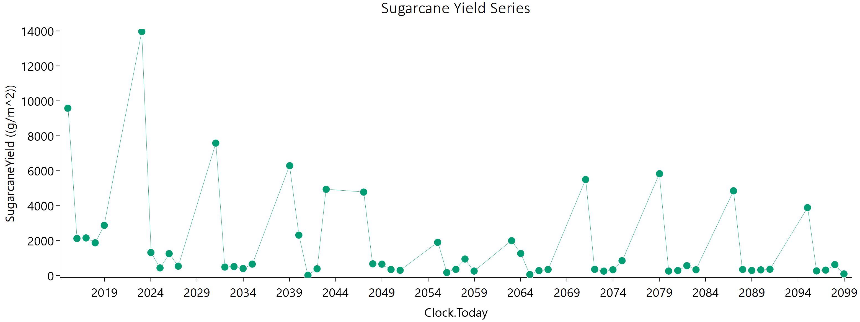
Sugarcane | Field | 2031-01-11 | 7578.99 | 5160.83 | 6000
Sugarcane | Field | 2032-01-06 | 485.19 | 186.61 | 891.74038965
Sugarcane | Field | 2032-12-31 | 510.96 | 177.03 | 1000.9918278
Sugarcane | Field | 2033-12-26 | 399.7 | 149.01 | 748.80462649
Sugarcane | Field | 2034-12-21 | 654.23 | 279.78 | 1119.6806041
Sugarcane | Field | 2039-01-11 | 6285.53 | 4768.19 | 4547.9841708
Sugarcane | Field | 2040-01-06 | 2312.6 | 1211.48 | 3302.0514733
Sugarcane | Field | 2040-12-31 | 17.42 | 2.84 | 43.743954527
Sugarcane | Field | 2041-12-26 | 385.22 | 147.03 | 712.19562784
Sugarcane | Field | 2042-12-21 | 4934.98 | 2590.81 | 6000
Sugarcane | Field | 2047-01-11 | 4775.92 | 3498.2 | 3827.598557
Sugarcane | Field | 2048-01-06 | 668.53 | 279.54 | 1166.4431711
Sugarcane | Field | 2048-12-31 | 651.04 | 226.48 | 1273.2575476
Sugarcane | Field | 2049-12-26 | 343.56 | 110.34 | 699.40265495
Sugarcane | Field | 2050-12-21 | 299.92 | 98.69 | 603.46542059
Sugarcane | Field | 2055-01-11 | 1898.5 | 1192.32 | 2118.5385951
Sugarcane | Field | 2056-01-06 | 168.66 | 45.97 | 367.65007924
Sugarcane | Field | 2056-12-31 | 351.92 | 148.04 | 611.15052689
Sugarcane | Field | 2057-12-26 | 945.24 | 434.85 | 1530.4100832
Sugarcane | Field | 2058-12-21 | 255.11 | 118.43 | 407.7181562
Sugarcane | Field | 2063-01-11 | 1993.51 | 1039.49 | 2862.0447256
Sugarcane | Field | 2064-01-06 | 1261.23 | 564.94 | 2088.2456502
Sugarcane | Field | 2064-12-31 | 54.58 | 15.31 | 117.77344532
Sugarcane | Field | 2065-12-26 | 279.91 | 86.18 | 580.97490367
Sugarcane | Field | 2066-12-21 | 342.51 | 115.72 | 680.12050214
Sugarcane | Field | 2071-01-11 | 5495.79 | 3679.81 | 5442.4773248
Sugarcane | Field | 2072-01-06 | 353.61 | 129.02 | 673.49498045
Sugarcane | Field | 2072-12-31 | 251.57 | 89.03 | 487.21208122
Sugarcane | Field | 2073-12-26 | 328.39 | 124.07 | 612.33099849
Sugarcane | Field | 2074-12-21 | 849.1 | 328.24 | 1562.100869
Sugarcane | Field | 2079-01-11 | 5828.76 | 4461.56 | 4097.3951201
Sugarcane | Field | 2080-01-06 | 255.89 | 106.83 | 446.8334603
Sugarcane | Field | 2080-12-31 | 285.41 | 93.2 | 576.45742394
Sugarcane | Field | 2081-12-26 | 562.87 | 187.55 | 1125.6488038
Sugarcane | Field | 2082-12-21 | 329.05 | 95.87 | 699.32658456
Sugarcane | Field | 2087-01-11 | 4848.68 | 3945.74 | 2705.0820444
Sugarcane | Field | 2088-01-06 | 344.94 | 121.53 | 669.97509676
Sugarcane | Field | 2088-12-31 | 289.39 | 90.25 | 597.20227824
Sugarcane | Field | 2089-12-26 | 322.72 | 104.63 | 654.04732378
Sugarcane | Field | 2090-12-21 | 359.03 | 116.97 | 725.92728565
Sugarcane | Field | 2095-01-11 | 3887.64 | 3140.04 | 2240.0893064
Sugarcane | Field | 2096-01-06 | 263.15 | 100.39 | 488.02770118
Sugarcane | Field | 2096-12-31 | 310.08 | 98.27 | 635.22473831
Sugarcane | Field | 2097-12-26 | 625.61 | 217.39 | 1224.3232315
Sugarcane | Field | 2098-12-21 | 92.84 | 31.48 | 183.44221714

Ratoon = 5
SimulationName | Zone | Clock.Today | SugarcaneYield | Sugarcane.sucrose_wt | Sugarcane.height
Sugarcane | Field | 2016-01-06 | 12819.92 | 9594.16 | 6000 | yield = stem | 126933.96 | g/m^2
Sugarcane | Field | 2016-12-31 | 2072.22 | 969.82 | 3295.1022827 | sucrose weight | 92077.21 | g/m^2
Sugarcane | Field | 2017-12-26 | 1709.03 | 883.25 | 2463.2563012 | height | 87980.707297 | mm
Sugarcane | Field | 2018-12-21 | 2076.9 | 1096.84 | 2923.4940977
Sugarcane | Field | 2019-12-16 | 2506.53 | 1444.51 | 3174.1926096
Sugarcane | Field | 2025-01-05 | 24184.32 | 18985.57 | 6000
Sugarcane | Field | 2025-12-31 | 809.61 | 384.28 | 1266.9355615
Sugarcane | Field | 2026-12-26 | 514.53 | 199.39 | 940.97166852
Sugarcane | Field | 2027-12-21 | 791.76 | 348.57 | 1324.4164008
Sugarcane | Field | 2028-12-15 | 1903.91 | 954.05 | 2848.0226187
Sugarcane | Field | 2034-01-06 | 14677.02 | 12458.87 | 6000
Sugarcane | Field | 2035-01-01 | 492.95 | 230.87 | 780.73786143
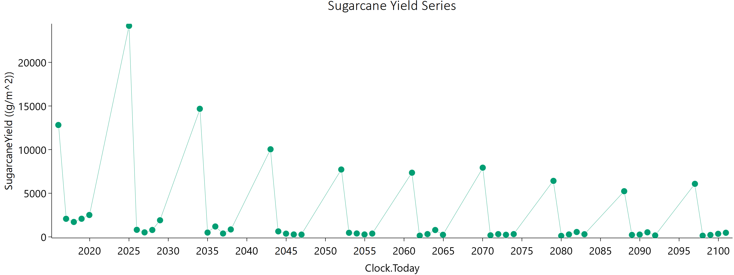
Sugarcane | Field | 2035-12-27 | 1189.9 | 517.66 | 2016.0579899
Sugarcane | Field | 2036-12-21 | 383.84 | 140.58 | 726.55689963
Sugarcane | Field | 2037-12-16 | 852.06 | 404.31 | 1338.6287665
Sugarcane | Field | 2043-01-06 | 10038.08 | 7189.83 | 6000
Sugarcane | Field | 2044-01-01 | 630.77 | 226.5 | 1212.3335133
Sugarcane | Field | 2044-12-26 | 367.57 | 110.16 | 772.00968135
Sugarcane | Field | 2045-12-21 | 276.27 | 81.65 | 583.65202995
Sugarcane | Field | 2046-12-16 | 262.42 | 80.33 | 546.09545718
Sugarcane | Field | 2052-01-06 | 7718.16 | 6926.24 | 2373.8588725
Sugarcane | Field | 2052-12-31 | 468.59 | 203.04 | 796.10657864
Sugarcane | Field | 2053-12-26 | 388.3 | 141.9 | 738.7617127
Sugarcane | Field | 2054-12-21 | 275.54 | 93.73 | 545.20729087
Sugarcane | Field | 2055-12-16 | 377.26 | 131.6 | 736.65792889
Sugarcane | Field | 2061-01-05 | 7352.72 | 5422.85 | 5784.9277025
Sugarcane | Field | 2061-12-31 | 141.53 | 58.01 | 250.43481114
Sugarcane | Field | 2062-12-26 | 317.06 | 95.59 | 664.1812475
Sugarcane | Field | 2063-12-21 | 786.63 | 282.36 | 1512.3778072
Sugarcane | Field | 2064-12-15 | 237.7 | 60.51 | 531.42737983
Sugarcane | Field | 2070-01-06 | 7930.34 | 6580.06 | 4046.5333238
Sugarcane | Field | 2071-01-01 | 178.1 | 73.83 | 312.53854465
Sugarcane | Field | 2071-12-27 | 315.12 | 107 | 623.95152976
Sugarcane | Field | 2072-12-21 | 240.52 | 76.51 | 491.83070364
Sugarcane | Field | 2073-12-16 | 316.58 | 99.45 | 651.16726489
Sugarcane | Field | 2079-01-06 | 6416.17 | 5226.3 | 3566.5274359
Sugarcane | Field | 2080-01-01 | 116.48 | 47.37 | 207.05500915
Sugarcane | Field | 2080-12-26 | 278.15 | 84.64 | 580.36484493
Sugarcane | Field | 2081-12-21 | 558.88 | 181.84 | 1130.8076264
Sugarcane | Field | 2082-12-16 | 304.38 | 84.96 | 658.07061352
Sugarcane | Field | 2088-01-06 | 5231.72 | 3973.43 | 3771.1993504
Sugarcane | Field | 2088-12-31 | 224.13 | 76.61 | 442.32410433
Sugarcane | Field | 2089-12-26 | 263.52 | 81.62 | 545.51911528
Sugarcane | Field | 2090-12-21 | 521.8 | 177.8 | 1031.6999888
Sugarcane | Field | 2091-12-16 | 162.93 | 44.79 | 354.30959337
Sugarcane | Field | 2097-01-05 | 6077.73 | 5055.93 | 3062.6699422
Sugarcane | Field | 2097-12-31 | 135.36 | 50.23 | 255.29028437
Sugarcane | Field | 2098-12-26 | 217.57 | 75.97 | 424.34749144
Sugarcane | Field | 2099-12-21 | 350.09 | 113.89 | 708.34390297
Sugarcane | Field | 2100-12-16 | 471.29 | 147.95 | 969.75155503

Combined
Ratoon = 2 |  | Ratoon = 3 |  | Ratoon = 4 |  | Ratoon = 5 |  | Year | Ratoon = 2 | Ratoon = 3 | Ratoon = 4 | Ratoon = 5
Clock.Today | SugarcaneYield | Clock.Today | SugarcaneYield | Clock.Today | SugarcaneYield | Clock.Today | SugarcaneYield | 2011-2040 | 48225.92 | 43397.3 | 54339.3 | 66984.5
2013-01-21 | 4984.46 | 2014-01-16 | 5131.68 | 2015-01-11 | 9577.76 | 2016-01-06 | 12819.92 | 2041-2070 | 23063.88 | 26778.68 | 19610.34 | 37568.94
2014-01-16 | 1819.12 | 2015-01-11 | 2365.02 | 2016-01-06 | 2120.82 | 2016-12-31 | 2072.22 | 2071-2100 | 16297.31 | 17390.24 | 25884.52 | 22380.52
2015-01-11 | 2204.38 | 2016-01-06 | 2217.76 | 2016-12-31 | 2151.32 | 2017-12-26 | 1709.03 | Total | 87587.11 | 87566.22 | 99834.16 | 126933.96
2016-01-06 | 2385.29 | 2016-12-31 | 2187.89 | 2017-12-26 | 1872.99 | 2018-12-21 | 2076.9 |  | 22% | 22% | 25% | 32%
Ratoon Cycle Yield with RCP 8.5 By Year
2016-12-31 | 2252.04 | 2017-12-26 | 2267.13 | 2018-12-21 | 2872.53 | 2019-12-16 | 2506.53
2019-01-22 | 4233.35 | 2021-01-16 | 6706.74 | 2023-01-11 | 13960.8 | 2025-01-05 | 24184.32
2020-01-17 | 3931.61 | 2022-01-11 | 3281.13 | 2024-01-06 | 1316.13 | 2025-12-31 | 809.61
2021-01-11 | 1658.2 | 2023-01-06 | 1327.2 | 2024-12-31 | 436.3 | 2026-12-26 | 514.53
2022-01-06 | 2742.63 | 2024-01-02 | 505.81 | 2025-12-26 | 1251.71 | 2027-12-21 | 791.76
2023-01-01 | 2013.69 | 2024-12-27 | 2077.33 | 2026-12-21 | 534.32 | 2028-12-15 | 1903.91
2025-01-21 | 3078.46 | 2028-01-17 | 3258.18 | 2031-01-11 | 7578.99 | 2034-01-06 | 14677.02
2026-01-16 | 1204.62 | 2029-01-11 | 980.12 | 2032-01-06 | 485.19 | 2035-01-01 | 492.95
2027-01-11 | 753.09 | 2030-01-06 | 797.31 | 2032-12-31 | 510.96 | 2035-12-27 | 1189.9
2028-01-06 | 1056.35 | 2031-01-01 | 718.41 | 2033-12-26 | 399.7 | 2036-12-21 | 383.84
2028-12-31 | 613.76 | 2031-12-27 | 780.46 | 2034-12-21 | 654.23 | 2037-12-16 | 852.06
2031-01-22 | 3340.47 | 2035-01-16 | 3414.28 | 2039-01-11 | 6285.53 | 2043-01-06 | 10038.08
2032-01-17 | 1280.92 | 2036-01-11 | 3637.8 | 2040-01-06 | 2312.6 | 2044-01-01 | 630.77
2033-01-11 | 720.15 | 2037-01-05 | 13.84 | 2040-12-31 | 17.42 | 2044-12-26 | 367.57
2034-01-06 | 1115.54 | 2037-12-31 | 95.08 | 2041-12-26 | 385.22 | 2045-12-21 | 276.27
Ratoon Cycle Yield with RCP 8.5
2035-01-01 | 563.99 | 2038-12-26 | 1634.13 | 2042-12-21 | 4934.98 | 2046-12-16 | 262.42
2037-01-21 | 2124.15 | 2042-01-16 | 2531.76 | 2047-01-11 | 4775.92 | 2052-01-06 | 7718.16
2038-01-16 | 1335.12 | 2043-01-11 | 3662.42 | 2048-01-06 | 668.53 | 2052-12-31 | 468.59
2039-01-11 | 509.24 | 2044-01-06 | 14.12 | 2048-12-31 | 651.04 | 2053-12-26 | 388.3
2040-01-06 | 2232.4 | 2044-12-31 | 35.84 | 2049-12-26 | 343.56 | 2054-12-21 | 275.54
2040-12-31 | 72.89 | 2045-12-26 | 330.37 | 2050-12-21 | 299.92 | 2055-12-16 | 377.26
2043-01-22 | 4070.95 | 2049-01-16 | 3902.23 | 2055-01-11 | 1898.5 | 2061-01-05 | 7352.72
2044-01-17 | 323.69 | 2050-01-11 | 1758.85 | 2056-01-06 | 168.66 | 2061-12-31 | 141.53
2045-01-11 | 455.76 | 2051-01-06 | 20.04 | 2056-12-31 | 351.92 | 2062-12-26 | 317.06
2046-01-06 | 1020.63 | 2052-01-01 | 216.69 | 2057-12-26 | 945.24 | 2063-12-21 | 786.63
2047-01-01 | 750.25 | 2052-12-26 | 598.44 | 2058-12-21 | 255.11 | 2064-12-15 | 237.7
2049-01-21 | 1520.81 | 2056-01-17 | 2746.72 | 2063-01-11 | 1993.51 | 2070-01-06 | 7930.34
2050-01-16 | 648.6 | 2057-01-11 | 954.93 | 2064-01-06 | 1261.23 | 2071-01-01 | 178.1
2051-01-11 | 748.26 | 2058-01-06 | 132.13 | 2064-12-31 | 54.58 | 2071-12-27 | 315.12
2052-01-06 | 616.91 | 2059-01-01 | 392.54 | 2065-12-26 | 279.91 | 2072-12-21 | 240.52
2052-12-31 | 664.73 | 2059-12-27 | 2748.76 | 2066-12-21 | 342.51 | 2073-12-16 | 316.58
2055-01-22 | 1046.23 | 2063-01-16 | 1342.76 | 2071-01-11 | 5495.79 | 2079-01-06 | 6416.17
2056-01-17 | 934.61 | 2064-01-11 | 1519.2 | 2072-01-06 | 353.61 | 2080-01-01 | 116.48
2057-01-11 | 229.72 | 2065-01-05 | 100.46 | 2072-12-31 | 251.57 | 2080-12-26 | 278.15
2058-01-06 | 852.95 | 2065-12-31 | 403.15 | 2073-12-26 | 328.39 | 2081-12-21 | 558.88
2059-01-01 | 338.53 | 2066-12-26 | 515.99 | 2074-12-21 | 849.1 | 2082-12-16 | 304.38
2061-01-21 | 2776.11 | 2070-01-16 | 2851.28 | 2079-01-11 | 5828.76 | 2088-01-06 | 5231.72
2062-01-16 | 38.51 | 2071-01-11 | 701.83 | 2080-01-06 | 255.89 | 2088-12-31 | 224.13
2063-01-11 | 471.52 | 2072-01-06 | 204.21 | 2080-12-31 | 285.41 | 2089-12-26 | 263.52
2064-01-06 | 1292.03 | 2072-12-31 | 320.09 | 2081-12-26 | 562.87 | 2090-12-21 | 521.8
2064-12-31 | 340.07 | 2073-12-26 | 620.58 | 2082-12-21 | 329.05 | 2091-12-16 | 162.93
2067-01-22 | 1340.22 | 2077-01-16 | 2207.81 | 2087-01-11 | 4848.68 | 2097-01-05 | 6077.73
2068-01-17 | 1032.28 | 2078-01-11 | 747.54 | 2088-01-06 | 344.94 | 2097-12-31 | 135.36
2069-01-11 | 221.54 | 2079-01-06 | 135.73 | 2088-12-31 | 289.39 | 2098-12-26 | 217.57
2070-01-06 | 1328.97 | 2080-01-01 | 310.14 | 2089-12-26 | 322.72 | 2099-12-21 | 350.09
2071-01-01 | 146.52 | 2080-12-26 | 445.11 | 2090-12-21 | 359.03 | 2100-12-16 | 471.29
2073-01-21 | 1177.26 | 2084-01-17 | 1769.88 | 2095-01-11 | 3887.64
2074-01-16 | 962.22 | 2085-01-11 | 540.84 | 2096-01-06 | 263.15
2075-01-11 | 415.69 | 2086-01-06 | 202.46 | 2096-12-31 | 310.08
2076-01-06 | 357.63 | 2087-01-01 | 800.89 | 2097-12-26 | 625.61
2076-12-31 | 849.5 | 2087-12-27 | 178.28 | 2098-12-21 | 92.84
2079-01-22 | 1034.84 | 2091-01-16 | 2770.54
2080-01-17 | 755.68 | 2092-01-11 | 579.76
2081-01-11 | 386.86 | 2093-01-05 | 213.76
2082-01-06 | 1021.35 | 2093-12-31 | 356.02
2083-01-01 | 282.09 | 2094-12-26 | 411.63
2085-01-21 | 992.55 | 2098-01-16 | 3144.65
2086-01-16 | 825.14 | 2099-01-11 | 452.29
2087-01-11 | 524.44 | 2100-01-06 | 276.2
2088-01-06 | 285.28
2088-12-31 | 515.72
2091-01-22 | 1008.96
2092-01-17 | 933.74
2093-01-11 | 161.06
2094-01-06 | 615.34
2095-01-01 | 439.75
2097-01-21 | 934.29
2098-01-16 | 683.57
2099-01-11 | 351.81
2100-01-06 | 636.02

